BMY Chart
portfolio123.com Chart ( Adjusted for splits and Dividends)
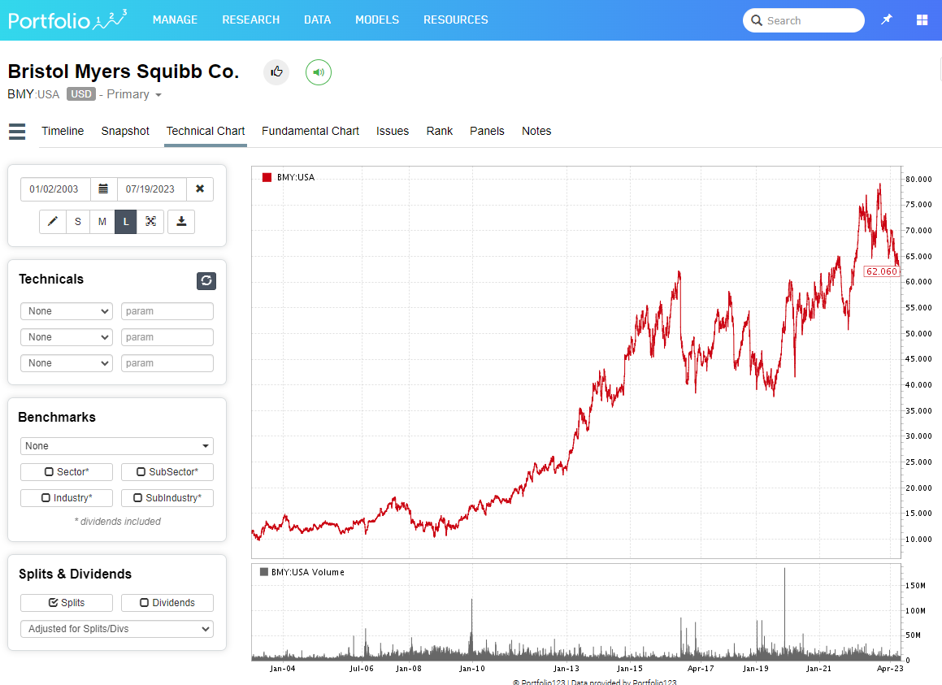

 | Price (Split/dividend adjusted 02-JAN-2003 | 11.111
 | Price (Split/dividend adjusted 19-JUL-2023 | 62.06

 | Total Return (including dividends Reinvested) | 458.55%
 | per portfolio123.com pricing

portfolio123.com Chart ( Adjusted for splits only)

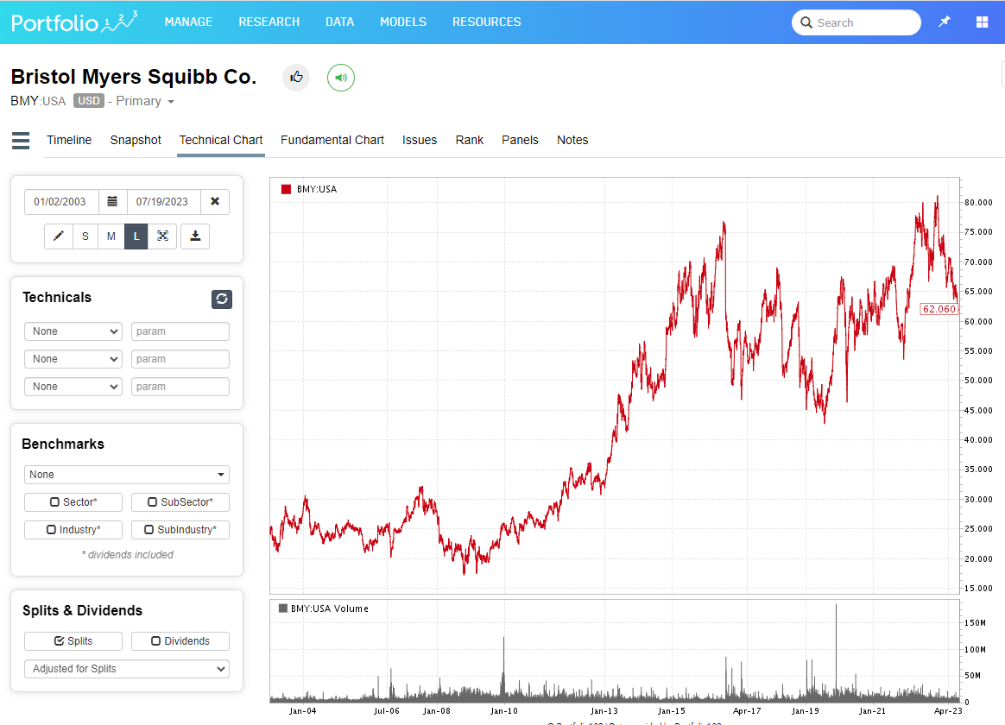
 | Price (Split/dividend adjusted 02-JAN-2003 | 24.03
 | Price (Split/dividend adjusted 19-JUL-2023 | 62.06

